Protoshare
URL | http://unohealthinformatics.protoshare.com/?p=10#
Username | achouhan@unomaha.edu
Password | Life@2016
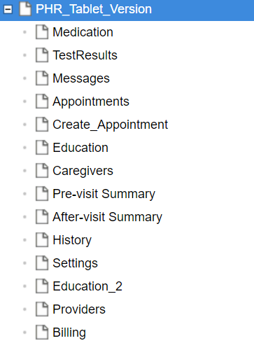
Latest PHR Project | PHR_Tablet_Version

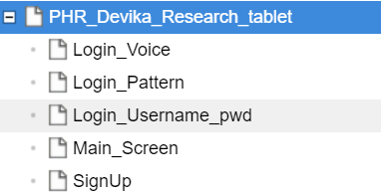
PHR Devika Project | PHR_Devika_Research_tablet

